Crop Budget (Main)
Crop Budget Estimator

Template by: Jon LaPorte, Farm Management Educator
Michigan State University Extension
120 N. Broadway, Suite 116, Cassopolis, MI 49031
Phone: (269) 445-4356 Email: laportej@msu.edu

 | Corn |  |  |  | Soybeans |  |  | Wheat
(drop down menu) -> | After Soybeans |  |  |  | After Corn |  |  | After Wheat
INCOME
Gross Revenue | (Enter Below) |  |  |  | (Enter Below) |  |  | (Enter Below)
Cash Price | $3.93 |  |  |  | $9.25 |  |  | $5.21
Expected Yield | 157.4 | Bushels |  |  | 43.02 | Bushels |  | 68.87 | Bushels
Acres | 100 | Acres |  |  | 100 | Acres |  | 100 | Acres

Government Payments | $68.87 |  |  |  | $72.68 |  |  | $33.70
Crop Insurance Indemnity Payments | $24.22 |  |  |  | $14.01 |  |  | $24.70

Total Gross Revenue | Per Acre |  | Total Acres |  | Per Acre |  | Total Acres | Per Acre |  | Total Acres
 | $711.67 |  | $71,167.20 |  | $484.63 |  | $48,462.50 | $417.21 |  | $41,721.27

EXPENSE
Variable Costs | Per Acre |  | Total Acres |  | Per Acre |  | Total Acres | Per Acre |  | Total Acres
Seed | $99.48 | $99.48 | $9,948.05 |  | $58.37 | $58.37 | $5,837.00 | $32.41 | $32.41 | $3,240.53
Fertilizer | $121.57 | $121.57 | $12,157.20 |  | $37.98 | $37.98 | $3,797.50 | $77.02 | $77.02 | $7,701.50
Crop Chemicals |  | $0.00 |  |  |  | $0.00 |  |  | $0.00
Herbicides | $36.36 | $36.36 | $3,636.00 |  | $36.49 | $36.49 | $3,648.56 | $25.55 | $25.55 | $2,554.69
Fungicides | $15.08 | $15.08 | $1,507.50 |  | $- | $0.00 | $- | $19.92 | $19.92 | $1,992.19
Insecticides | $- | $0.00 | $- |  | $- | $0.00 | $- | $- | $0.00 | $-
Crop Insurance | $12.13 | $12.13 | $1,213.00 |  | $12.29 | $12.29 | $1,229.00 | $13.80 | $13.80 | $1,380.00
Crop Miscellaneous | $3.92 | $3.92 | $392.00 |  | $3.07 | $3.07 | $307.00 | $- | $0.00 | $-
Supplies | $- | $0.00 |  |  | $- | $0.00 |  | $- | $0.00
Gas/Fuel |  | $0.00 |  |  |  | $0.00 |  |  | $0.00
Equipment Fuel | $31.25 | $31.25 | $3,125.00 |  | $17.81 | $17.81 | $1,781.00 | $16.43 | $16.43 | $1,643.00
Drying Propane | $17.66 | $17.66 | $1,766.00 |  | $1.53 | $1.53 | $153.00 | $1.02 | $1.02 | $102.00
Repairs & Maintenance |  | $0.00 |  |  |  | $0.00 |  |  | $0.00
Repair, Machinery | $63.77 | $63.77 | $6,377.00 |  | $32.45 | $32.45 | $3,245.00 | $26.91 | $26.91 | $2,691.00
Repair, Buildings | $1.07 | $1.07 | $107.00 |  | $- | $0.00 | $- | $- | $0.00 | $-
Custom Hire |  | $0.00 |  |  |  | $0.00 |  |  | $0.00
Driver & Equipment Hire | $10.82 | $10.82 | $1,082.00 |  | $5.85 | $5.85 | $585.00 | $15.83 | $15.83 | $1,583.00
Equipment Hire | $5.88 | $5.88 | $588.00 |  | $5.84 | $5.84 | $584.00 | $0.90 | $0.90 | $90.00
Custom Application | $- | $0.00 | $- |  | $- | $0.00 | $- | $- | $0.00 | $-
Freight & Trucking | $2.71 | $2.71 | $271.00 |  | $0.88 | $0.88 | $88.00 | $3.65 | $3.65 | $365.00
Storage | $2.08 | $2.08 | $208.00 |  | $0.50 | $0.50 | $50.00 | $0.90 | $0.90 | $90.00
Utilities | $16.26 | $16.26 | $1,626.00 |  | $10.38 | $10.38 | $1,038.00 | $8.30 | $8.30 | $830.00
Irrigation |  | $0.00 |  |  |  | $0.00 |  |  | $0.00
Repairs | $- | $0.00 | $- |  | $- | $0.00 | $- | $- | $0.00 | $-
Fuel/Electricity | $- | $0.00 | $- |  | $- | $0.00 | $- | $- | $0.00 | $-
Marketing | $- | $0.00 | $- |  | $1.78 | $1.78 | $178.00 | $2.35 | $2.35 | $235.00
Hired Labor | $31.64 | $31.64 | $3,164.00 |  | $20.27 | $20.27 | $2,027.00 | $22.41 | $22.41 | $2,241.00
Interest (Operating) | $8.33 | $8.33 | $833.33 |  | $8.33 | $8.33 | $833.33 | $8.33 | $8.33 | $833.33
Other | $- | $0.00 | $- |  | $- | $0.00 | $- | $- | $0.00 | $-
Total Variable Costs | $480.01 |  | $48,001.09 |  | $253.81 |  | $25,381.40 | $275.72 |  | $27,572.24
Return Over Variable Costs (Gross Revenue - Variable Costs) | $231.66 |  | $23,166.11 |  | $230.81 |  | $23,081.10 | $141.49 |  | $14,149.03

Fixed Costs | Per Acre |  | Total Acres |  | Per Acre |  | Total Acres | Per Acre |  | Total Acres
Farm Insurance | $12.95 | $12.95 | $1,295.00 |  | $10.20 | $10.20 | $1,020.00 | $8.57 | $8.57 | $857.00
Real Estate Taxes | $12.08 | $12.08 | $1,208.00 |  | $10.63 | $10.63 | $1,063.00 | $9.63 | $9.63 | $963.00
Land Rent | $89.55 | $89.55 | $8,955.00 |  | $98.29 | $98.29 | $9,829.00 | $64.28 | $64.28 | $6,428.00
Depreciation (Economic not Taxable) | $66.04 | $66.04 | $6,604.00 |  | $66.04 | $66.04 | $6,604.00 | $66.04 | $66.04 | $6,604.00
Other | $15.77 | $15.77 | $1,577.00 |  | $3.89 | $3.89 | $389.00 | $- | $0.00 | $-
Total Fixed Costs | $196.39 |  | $19,639.00 |  | $189.05 |  | $18,905.00 | $148.52 |  | $14,852.00
Total Variable & Fixed Costs | $676.40 |  | $67,640.09 |  | $442.86 |  | $44,286.40 | $424.24 |  | $42,424.24
Net Farm Income (Gross Revenue - Variable & Fixed Costs) | $35.27 |  | $3,527.11 |  | $41.76 |  | $4,176.10 | ($7.03) |  | ($702.97)

Cash Flow
Financing | Per Acre |  | Total Acres |  | Per Acre |  | Total Acres | Per Acre |  | Total Acres
Income Taxes | $- | $- | $- |  | $- | $0.00 | $- | $- | $0.00 | $-
Owner Withdrawal (Family Living) | $- | $- | $- |  | $- | $0.00 | $- | $- | $0.00 | $-
Interest (Term) | $30.80 | $30.80 | $3,080.00 |  | $30.80 | $30.80 | $3,080.00 | $30.80 | $30.80 | $3,080.00
Principal Payment | $66.33 | $66.33 | $6,632.81 |  | $66.33 | $66.33 | $6,632.81 | $66.33 | $66.33 | $6,632.81
Total Financing | $97.13 |  | $9,712.81 |  | $97.13 |  | $9,712.81 | $97.13 |  | $9,712.81
Total Variable, Fixed, and Financing | $773.53 |  | $77,352.89 |  | $539.99 |  | $53,999.20 | $521.37 |  | $52,137.05
Net Cash Flow (Net Farm Income - Financing + Depreciation) | $4.18 |  | $418.31 |  | $10.67 |  | $1,067.30 | ($38.12) |  | ($3,811.78)

Financial Scorecard

OPERATING EXPENSE RATIO | 80% | 80 - 100% |  |  | 70% | 80 - 100% |  | 76% | 80 - 100%
How much of every $1.00 generated goes to operating costs? |  | 60 - 80% |  |  |  | 60 - 80% |  |  | 60 - 80%
 |  | 0 - 60% |  |  |  | 0 - 60% |  |  | 0 - 60%

DEPRECIATION EXPENSE RATIO | 9% | 10% - over |  |  | 14% | 10% - over |  | 16% | 10% - over
How much of every $1.00 generated goes to depreciation costs? |  | 5 - 10% |  |  |  | 5 - 10% |  |  | 5 - 10%
 |  | 0 - 5% |  |  |  | 0 - 5% |  |  | 0 - 5%

INTEREST EXPENSE RATIO | 5% | 10% - over |  |  | 8% | 10% - over |  | 9% | 10% - over
How much of every $1.00 generated goes to interest costs? |  | 5 - 10% |  |  |  | 5 - 10% |  |  | 5 - 10%
 |  | 0 - 5% |  |  |  | 0 - 5% |  |  | 0 - 5%

NET FARM INCOME RATIO | 5% | 0 - 10% |  |  | 9% | 0 - 10% |  | -2% | 0 - 10%
How much of every $1.00 generated is farm income? |  | 10 - 20% |  |  |  | 10 - 20% |  |  | 10 - 20%
 |  | 20% - over |  |  |  | 20% - over |  |  | 20% - over
*Note: these four ratios add up to 100%
Break-Even Calculations

Net Returns Break-even (Over Variable & Fixed)
Break-even $$/Bushel | $4.30 | /Bushel |  |  | $10.29 | /Bushel |  | $6.16 | /Bushel
Break-even Yield/Acre | 172.11 | Bushels |  |  | 47.88 | Bushels |  | 81.43 | Bushels

Repayment Capacity Break-even (Cash Flow)
Break-even $$/Bushel | $4.49 | /Bushel |  |  | $11.02 | /Bushel |  | $6.61 | /Bushel
Break-even Yield/Acre | 180.02 | Bushels |  |  | 51.24 | Bushels |  | 87.40 | Bushels

Capital Retainment Break-even (Net Worth)
Break-even $$/Bushel | $4.91 | /Bushel |  |  | $12.55 | /Bushel |  | $7.57 | /Bushel
Break-even Yield/Acre | 196.83 | Bushels |  |  | 58.38 | Bushels |  | 100.07 | Bushels

Fertility Program

Total Nutrient Needs | N | P | K |  | N | P | K | N | P | K
(Based on Nutrient Management tab) | 142 | 70 | 40 |  | 163 | 0 | 85 | 83 | 45 | 55
 | S | Ca | Mag |  | S | Ca | Mag | S | Ca | Mag
 | 13 | 2 | 5 |  | 8 | 6 | 6 | 7 | 2 | 10
 | Z | B | Mn |  | Z | B | Mn | Z | B | Mn
 | 0 | 0 | 0 |  | 0 | 0 | 0 | 0 | 0 | 0

Nutrients Provided by Fertilizer Plan | N | P | K |  | N | P | K | N | P | K
(Pounds of Actual Nutrient Per Acre) | 146 | 58 | 62 |  | 0 | 37 | 56 | 95 | 46 | 31
 | S | Ca | Mag |  | S | Ca | Mag | S | Ca | Mag
 | 21 | 0 | 0 |  | 0 | 0 | 0 | 12 | 0 | 0
 | Z | B | Mn |  | Z | B | Mn | Z | B | Mn
 | 0.00 | 0.00 | 0.00 |  | 0.00 | 0.00 | 0.00 | 0.00 | 0.43 | 0.00

 | To adjust for Nitrogen Credits, reference: |  |  | MSU Bulletin E-2904, Nutrient Recommendations for Field Crops in Michigan

Cost Comparison Charts
Total Costs (Corn)
 | Corn
Seed | $99.48
Fertilizer | $121.57
Crop Chemicals | $51.44
Crop Insurance | $12.13
Crop Miscellaneous | $3.92
Supplies | $-
Gas/Fuel | $48.91
Repairs & Maintenance | $64.84
Custom Hire | $16.70
Freight & Trucking | $2.71
Storage | $2.08
Utilities | $16.26
Irrigation | $-
Marketing | $-
Hired Labor | $31.64
Farm Insurance | $12.95
Real Estate Taxes | $12.08
Land Rent | $89.55
Depreciation (Economic ) | $66.04
Other (variable & fixed) | $15.77
Income Taxes | $-
Owner Withdrawal | $-
Interest (Oper & Term) | $39.13
Principal Payment | $66.33
Total Costs (Soybeans)
 | Soybeans
Seed | $58.37
Fertilizer | $37.98
Crop Chemicals | $36.49
Crop Insurance | $12.29
Crop Miscellaneous | $3.07
Supplies | $-
Gas/Fuel | $19.34
Repairs & Maintenance | $32.45
Custom Hire | $11.69
Freight & Trucking | $0.88
Storage | $0.50
Utilities | $10.38
Irrigation | $-
Marketing | $1.78
Hired Labor | $20.27
Farm Insurance | $10.20
Real Estate Taxes | $10.63
Land Rent | $98.29
Depreciation (Economic ) | $66.04
Other (variable & fixed) | $3.89
Income Taxes | $-
Owner Withdrawal | $-
Interest (Oper & Term) | $39.13
Principal Payment | $66.33

Total Costs (Wheat)
 | Wheat
Seed | $32.41
Fertilizer | $77.02
Crop Chemicals | $45.47
Crop Insurance | $13.80
Crop Miscellaneous | $-
Supplies | $-
Gas/Fuel | $17.45
Repairs & Maintenance | $26.91
Custom Hire | $16.73
Freight & Trucking | $3.65
Storage | $0.90
Utilities | $8.30
Irrigation | $-
Marketing | $2.35
Hired Labor | $22.41
Farm Insurance | $8.57
Real Estate Taxes | $9.63
Land Rent | $64.28
Depreciation (Economic ) | $66.04
Other (variable & fixed) | $-
Income Taxes | $-
Owner Withdrawal | $-
Interest (Oper & Term) | $39.13
Principal Payment | $66.33

Comparison of Variable and Fixed Costs
 | Variable | Fixed
Corn | $480.01 | $196.39
Soybeans | $253.81 | $189.05
Wheat | $275.72 | $148.52

Optimization
Optimizing Profitability
 |  | Budget Acres | Acres | Revenue Per Acre | Total Direct & Overhead Cost | Profit Per Acre
 |  |  | (Enter Below)
 | Corn | 100 | 100 | $711.67 | $676.40 | $35.27
 | Soybeans | 100 | 100 | $484.63 | $442.86 | $41.76
 | Wheat | 100 | 100 | $417.21 | $424.24 | ($7.03)
 |  |  |  |  |  |  | Storage Capacity
 |  |  |  | (Enter Below) |  |  |  | Bushels Produced | Relationship to | Bushels Capacity
 | Minimum Costs to Cover | $154,350.73 | <= | $150,000.00 | ¬ Total Cost (goal) |  | Corn | 15740 | <= | 9000
 | Minimum corn acres | 100 | >= | 50 | ¬ Minimum corn acres (goal) |  | Soybeans | 4302 | <= | 10000
 | Minimum soybean acres | 100 | >= | 100 | ¬ Minimum soybean acres (goal) |  | Wheat | 6887 | <= | 9000
 | Minimum wheat acres | 100 | >= | 50 | ¬ Minimum wheat acres (goal)
 | Acres | 300 | = | 300 | ¬ Maximum acres allowed

 | Maximized Profit | $7,000 | ¬ Use Solver Function

 | Optimization Instructions |  |  |  |  |  | Optimization Instructions (w/ storage constraints)
 | 1. Enter the acres for consideration in the Optimizer in column D4:D6. The acres already on the Crop Budget (Main) tab have been provided for comparison. |  |  |  |  |  | 1. Note column J is calculated using the bushels input into Crop Budget (Main) multiplied by Column D4:D6

 | 2. Note the revenue per are is provided from the Crop Budget (Main) tab for all crops in column E. |  |  |  |  |  | 2. Column K indicates that the bushels produced must be less than or equal to the amount of storage on the farm
 | 3. Enter the minimum goal of acres for each crop in column E.
 | 4. Enter the total acres to be planted across all crops in column E. |  |  |  |  |  | 3. Follow #5 in the Optimization Instruction to open Solver
 | 5. Click on the Maximized Profit cell in C15 and run the Solver tool (click on Data on the top toolbar). Solver is pre-programmed, but can be reset using the photo below: |  |  |  |  |  | 4. Input the additional constraints of storage as shown below:
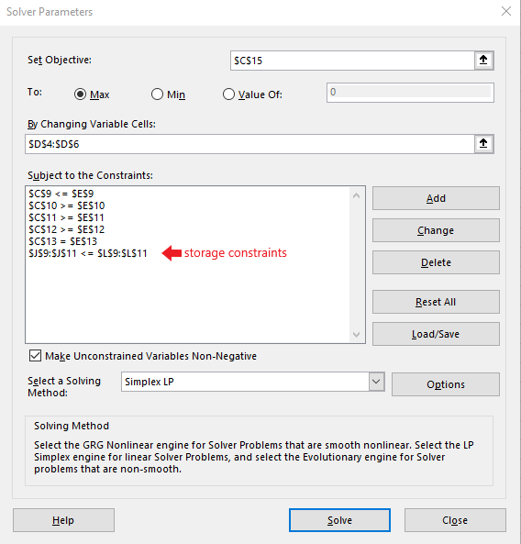
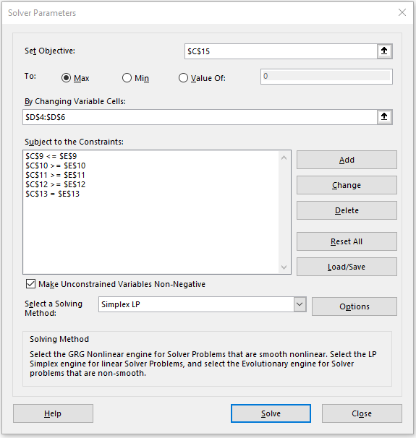

 |  |  |  |  |  |  | 5. After re-running Solver, the acres will be re-adjusted to maximize the profit of the combined crops (i.e. corn, soybeans, and wheat).
 | 6. After running Solver, the acres will be re-adjusted to maximize the profit of the combined crops (i.e. corn, soybeans, and wheat).

